Contents
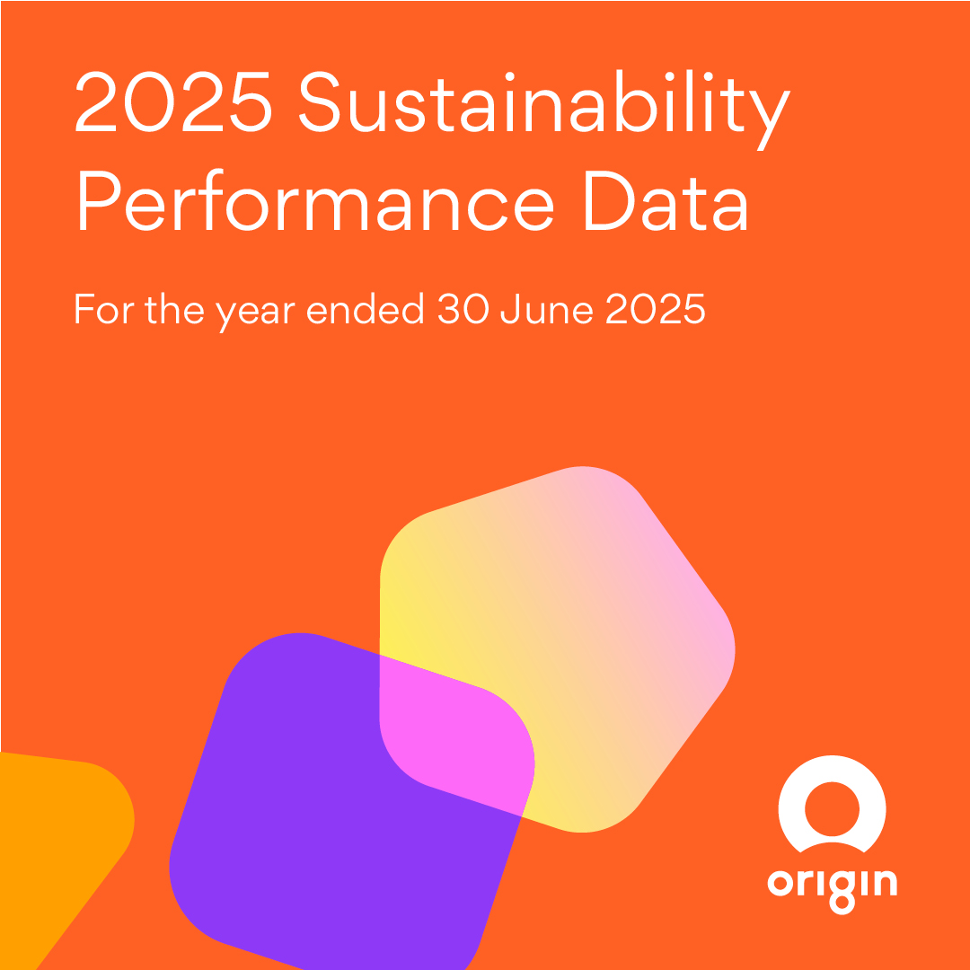
Contents

About Origin
Energy Markets
Integrated Gas

Planet
Greenhouse gas (GHG) emissions
Cleaner energy and customer solutions
Biodiversity
Waste
Air emissions
Water
Environment

Customers
Customer accounts
Energy affordability and support for vulnerable customers
Customer service
Privacy and compliance

Communities
Working with communities
Economic value generated and distributed
Supporting communities
Responsible procurement

Our people
Safety
How we work
Employees
Diversity and inclusion
Employee engagement and development
About our data
Where data is not available, we apply a reasonable estimation methodology. The methodologies applied to calculate data set out in these data tables may include assumptions not disclosed. Where applicable, we revise prior year data in the Sustainability Report and Sustainability performance data to update prior estimates and align with external reporting requirements.
All monetary amounts are in Australian dollars unless otherwise stated.
Due to rounding, numbers presented in these data tables may not add up precisely to the totals provided and percentages may not precisely reflectthe absolute figures.
We report our Scope 1 and Scope 2 emissions under the National Greenhouse and Energy Reporting Act, 2007 (NGER). We calculate Scope 3 emissions based on the Greenhouse Gas Protocol’s Corporate Value Chain (Scope 3) Accounting and Reporting Standard and Scope 3 guidance documents.
Due to the inherent uncertainty and limitations in measuring emissions under the calculation methodologies used in the preparation of such data, all emissions data or references to emissions data (including ratios or percentages) in this report are estimates. Where data is not available due to timing, we apply a reasonable estimation methodology. Where applicable, we revise prior year data to update prior estimates and align with external reporting requirements such as NGER.

Energy Markets
Home
...
 | FY24 |  |  | FY23
Pool revenue ($m) | Nameplate plant capacity (MW) | Electricity output (GWh)2 | Pool revenue ($m) | Nameplate plant capacity (MW) | Electricity output (GWh)2 | Pool revenue ($m)
 | 2,922 |  |  | 2,922
2,127 | 2,880 | 14,264 | 1,554 | 2,880 | 12,150 | 2,024
- | 42 | - | - | 42 | - | -
332 | 644 | 1,253 | 199 | 644 | 1,162 | 305
106 | 180 | 363 | 68 | 180 | 431 | 115
177 | 692 | 419 | 138 | 692 | 132 | 57
160 | 584 | 440 | 89 | 584 | 432 | 123
29 | 423 | 33 | 25 | 423 | 15 | 12
...

Integrated Gas
Home
Integrated Gas

 | FY25 | FY24 | FY23 | FY22 | FY21
Australia Pacific LNG production volumes (PJ) (Origin 27.5% share)1
Total operated production, of which: | 152 | 153 | 147 | 170 | 201
Spring Gully | 23 | 23 | 23 | 28 | 36
Reedy Creek, Combabula and Peat | 52 | 49 | 48 | 57 | 66
Condabri, Talinga and Orana | 78 | 80 | 76 | 86 | 99
Total non-operated production, of which: | 35 | 38 | 38 | 50 | 61
GLNG | 11 | 12 | 11 | 14 | 16
QGC | 24 | 27 | 27 | 36 | 47
Total upstream production | 188 | 191 | 185 | 220 | 263
...

GHG emissions
Home
Greenhouse gas (GHG) emissions

 | FY25 | FY24 | FY23 | FY22 | FY21
Total GHG emissions (kt CO2-e)1
Total Scope 1, 2 and 3 emissions equity basis (kt CO2-e)2 | 45,055 | 44,988 | 49,948 | - | -
Total Scope 1 and 2 emissions (operational control basis) (kt CO2-e)1,3 | 18,052 | 17,767 | 15,925 | 15,152 | 17,195
Energy Markets | 15,317 | 15,005 | 13,215 | 12,260 | 14,328
Integrated Gas | 2,733 | 2,760 | 2,706 | 2,887 | 2,862
Direct GHG emissions (Scope 1) (kt CO2-e)1,3,4
Total Scope 1 emissions operational control basis | 15,799 | 15,567 | 13,690 | 12,801 | 14,890
Energy Markets, of which: | 15,113 | 14,873 | 12,977 | 12,086 | 14,155
Generation, of which: | 15,070 | 14,829 | 12,922 | 12,030 | 14,094
...

Cleaner energy & cust solutions
Home
Cleaner energy and customer solutions

 | FY25 | FY24 | FY23 | FY22 | FY21
GreenPower
GreenPower customer accounts1,2 | 61 | 70 | 155 | 207 | 192
Total volume of GreenPower sales (GWh)2,3 | 469 | 540 | 533 | 489 | -
Residential and SME | 248 | 258 | 263 | 318 | -
Business | 222 | 282 | 270 | 171 | -
Solar
Capacity of solar PV systems installed (MW), of which:4 | 15 | 64 | 68 | 70 | 74
Residential (MW)4 | - | 55 | 54 | 54 | 58
Business (MW) | 15 | 9 | 15 | 16 | 16
...

Biodiversity
Home
Biodiversity

 | FY25 | FY24 | FY23 | FY22 | FY21
Biodiversity impacts
Number of operating sites with a level of biodiversity risk rated as high or above, of which:1 | 3 | 3 | 2 | 2 | 2
Integrated Gas | 0 | 0 | 0 | 0 | 0
Energy Markets | 3 | 3 | 2 | 2 | 2
Number of biodiversity management plans in place for operating sites with a level of biodiversity risk rated as high or above1 | 2 | 2 | 1 | 1 | 1
Incidents that materially impacted biodiversity in areas of biodiversity significance2 | 0 | 0 | 0 | 0 | 0

1 Includes operating sites in which biodiversity risk is rated high or above, defined as serious consequence (or above), as described in footnote 2, weighed against level of likelihood.
2 Incidents that have resulted in medium to long term reversible impacts to low risk or listed species, habitats, ecosystems, or area/s of cultural significance; extensive long-term partially
...

Waste
Home
Waste

 | FY25 | FY24 | FY23 | FY22 | FY21
Eraring coal combustion products (CCPs) (Ash)1
Total number of ash impoundments (ash dam) | 1 | 1 | 1 | 1 | 1
Ash produced (tonnes) | 1,410,499 | 1,507,270 | 1,273,378 | 1,225,139 | 1,357,507
Ash re-used (tonnes) | 866,480 | 652,270 | 629,940 | 891,351 | 485,287
Ash deposited (tonnes) | 772,986 | 983,153 | 643,438 | 333,788 | 872,220
Ash re-used (%) | 61 | 43 | 49 | 73 | 36
Complaints received regarding waste management | 0 | 0 | 1 | 0 | 1
Australia Pacific LNG
Volume of brine stored in ponds as at the end of the period | 8,196 | 7,892 | 7,901 | 7,131 | 6,156
...

Air emissions
Home
Air Emissions

 | FY25 | FY24 | FY23 | FY22 | FY21
NOx, SO2, and other significant air emissions (tonnes)
Total oxides of nitrogen (NOx) emissions | 25,538 | 25,353 | 20,443 | 19,916 | 23,187
Energy Markets | 21,926 | 22,071 | 18,094 | 17,027 | 20,246
Integrated Gas | 3,612 | 3,282 | 2,349 | 2,889 | 2,940
Total sulphur dioxide (SO2) emissions | 36,167 | 37,315 | 30,043 | 25,716 | 33,152
Energy Markets | 36,164 | 37,312 | 30,041 | 25,662 | 33,122
Integrated Gas | 3 | 3 | 2 | 54 | 30
Total volatile organic compounds (VOC) emissions | 749 | 725 | 652 | 623 | 668
Energy Markets | 225 | 221 | 189 | 173 | 202
...

Water
Home
Water

 | FY25 | FY24 | FY23 | FY22 | FY21
Water withdrawn by source (ML)1
Total water withdrawn2 | 2,612,217 | 2,770,391 | 2,627,419 | 2,338,348 | 2,599,205
Energy Markets, of which: | 2,594,011 | 2,751,111 | 2,606,875 | 2,318,242 | 2,578,109
Eraring, of which: | 2,593,888 | 2,751,007 | 2,606,797 | 2,318,143 | 2,578,022
Extracted from and returned to Lake Macquarie | 2,591,241 | 2,748,488 | 2,604,135 | 2,315,596 | 2,576,012
Energy Markets ex. Eraring | 123 | 104 | 77 | 99 | 87
Integrated Gas, of which: | 18,200 | 19,275 | 20,538 | 20,100 | 21,092
Australia Pacific LNG | 18,200 | 19,275 | 20,532 | 20,057 | 21,062
Beetaloo & Upstream Growth3 | - | - | 6 | 44 | 31
...

Environment
Home
Environment

 | FY25 | FY24 | FY23 | FY22 | FY21
Environmental compliance
Reportable non-compliances, including voluntary notifications, of which: | 9 | 23 | 20 | 18 | 30
Integrated Gas, of which: | 5 | 14 | 9 | 11 | 21
Australia Pacific LNG (APLNG notifiable incidents) | 5 | 14 | 9 | 10 | 16
Beetaloo & Upstream Growth1 | - | - | - | 1 | 5
Energy Markets | 4 | 9 | 11 | 7 | 9
Monetary value of fines for non-compliances with environmental laws and regulations, of which: ($) | 16,130 | 34,260 | 14,375 | 13,345 | -
Integrated Gas, of which: | 16,130 | 34,260 | 14,375 | 13,345 | 0
Australia Pacific LNG | 16,130 | 34,260 | 0 | 0 | 0
...

Customer accounts
Home
Customer Accounts

 | FY25 | FY24 | FY23 | FY22 | FY21
Total customer accounts ('000), of which:1,2 | 4,695 | 4,591 | 4,483 | 4,436 | 4,264
Electricity, of which: | 2,792 | 2,763 | 2,742 | 2,733 | 2,625
Retail (consumer and SME) | 2,771 | 2,738 | 2,713 | 2,702 | 2,595
Business | 22 | 25 | 28 | 31 | 30
Natural gas, of which: | 1,338 | 1,323 | 1,282 | 1,277 | 1,249
Retail (consumer and SME) | 1,337 | 1,322 | 1,280 | 1,276 | 1,247
Business | 1 | 1 | 1 | 1 | 1
LPG | 351 | 359 | 368 | 368 | 359
Broadband customers | 213 | 146 | 91 | 58 | 31
...

Energy affordability & support
Home
Energy affordability and support for vulnerable customers

 | FY25 | FY24 | FY23 | FY22 | FY21
Customers receiving hardship and financial assistance ('000)1
Customer accounts receiving hardship and financial support services | 82 | 98 | 71 | - | -
Customer accounts in our Power On program | 43 | 66 | 44 | - | -
Customer accounts receiving tailored assistance under the Victorian Payment Difficulties Framework | 39 | 31 | 27 | - | -
Disconnections
Number of residential customer electric disconnections for non-payment, of which: | 5,072 | 902 | 2,492 | 11,193 | 523
Percentage reconnected within 7 days | 43 | 29 | 47 | 46 | 25
Percentage reconnected within 30 days | 47 | 31 | 49 | 48 | 25
Number of residential customer gas disconnections for non-payment, of which: | 2,519 | 1,389 | 969 | 4,509 | 171
...

Customer service
Home
Customer Service

 | FY25 | FY24 | FY23 | FY22 | FY21
Customer satisfaction
Customer Happiness Index (CHI) (%)1,2 | 69.4 | 69.1 | 64.9 | - | -
Strategic Net Promoter Score (NPS) (#)3 | 2 | (3) | (2) | 5 | 4
Ombudsman complaints per 1,000 customers | 2.1 | 2.4 | 1.8 | 1.5 | 1.9
Reputation
RepTrak Score (#)4 | 67.8 | 65.9 | 65.5 | 66.9 | 67.7

1 Customers are asked to rate their interaction – via voice calls and email. The CHI score is calculated as the number of respondents over the previous 12 months who provided a positive rating for their interaction with Origin,
as a percentage of total respondents.
...

Privacy & compliance
Home
Privacy and compliance

 | FY25 | FY24 | FY23 | FY22 | FY21
Non-compliance
Monetary value of penalties relating to non-compliances with the AER and AER and ESCV ($) | 31,338,268 | 295,872 | 72,696 | 22,450,000 | 120,000
Wrongful disconnections (reportable) | 9 | 135 | 275 | 702 | 327
Privacy and cyber security
Notifiable data breaches reported to the Office of the Australian Information Commissioner | 0 | 0 | 0 | 0 | 0

Working with communities
Home
Working with communities

 | FY25 | FY24 | FY23 | FY22 | FY21
Australia Pacific LNG land agreements
Land access and compensation agreements concluded during the period, of which: | 24 | 32 | 33 | 75 | 34
Number concluded through negotiation | 24 | 32 | 33 | 75 | 34
Number conducted through alternative dispute resolution | 0 | 0 | 0 | 0 | 0
Number concluded through court resolution | 0 | 0 | 0 | 0 | 0
Total land access and compensation agreements signed as at the end of the period | 1,474 | 1,450 | 1,418 | 1,385 | 1,310
Australia Pacific LNG cultural heritage management
Cultural Heritage Management Plan non-compliances | 0 | 0 | 0 | 0 | 0
Native Title/Indigenous Land Use Agreement non-compliances | 0 | 0 | 0 | 0 | 0
...

Economic value
Home
Economic value generated and distributed

 | FY25 | FY24 | FY23 | FY22 | FY21
Direct economic value generated and distributed ($m)1
Total revenue, of which: | 17,224 | 16,138 | 16,481 | 14,461 | 12,097
Energy Markets | 16,745 | 15,607 | 15,406 | 13,636 | 11,931
Integrated Gas | 479 | 531 | 1,075 | 825 | 166
Interest received | 45 | 46 | 51 | 61 | 109
Gain on dilution/divestment of Origin’s interests in subsidiaries/ joint ventures | 0 | 10 | 0 | 44 | 0
Other | 45 | 45 | 45 | 106 | 43
Share of results of equity accounted investees | 750 | 908 | 1,324 | 959 | 185
Direct economic value generated | 18,064 | 17,147 | 17,901 | 15,631 | 12,434
...

Supporting communities
Home
Supporting communities

 | FY25 | FY24 | FY23 | FY22 | FY21
Community support
Total community contributions ($m), of which: | 12.9 | 7.5 | 4.5 | 4.3 | 4.5
Through Origin community investment programs1,2 | 8.8 | 3.7 | 2.4 | 1.7 | 1.5
Through the Origin Energy Foundation, of which:3 | 4.1 | 3.8 | 2.1 | 2.6 | 3.0
Origin Energy Foundation funds distributed4,5 | 2.8 | 2.5 | - | - | -
Origin contribution through the Foundation5,6 | 0.95 | 0.95 | - | - | -
Origin employee Give2 donations7 | 0.31 | 0.37 | 0.36 | 0.36 | 0.35
Eraring Community Investment Fund ($m)
Total spend on community investment (financial year)8 | 0.42 | 0.44 | - | - | -
...

Responsible procurement
Home
Responsible Procurement

 | FY25 | FY24 | FY23 | FY22 | FY21
Supply Chain
Total number of direct suppliers | 3,966 | 3,813 | 3,777 | 3,647 | 3,697
Total supply chain spend ($m)1 | 11,070 | 10,478 | 12,111 | 10,487 | 7,765
Percentage of direct spend with organisations registered in Australia (%)2 | 92 | 91 | 91 | 94 | -
Modern slavery
Confirmed modern slavery practices identified in our supply chain (#) | 0 | 0 | 0 | 0 | 0
Suppliers identified as inherent high-risk of modern-slavery type practices (#)3 | 351 | 305 | 271 | 271 | 346
Percentage of suppliers that have been identified as inherent high-risk (%)3 | 9 | 8 | 7 | 7 | 7
Percentage of suppliers onboarded with our Supplier Code (%)4,5 | 100 | 100 | 100 | 100 | -
...

Safety
Home
Safety

 | FY25 | FY24 | FY23 | FY22 | FY21
Health, safety and environmental (HSE) performance
Actual Serious (or above) Incidents1 | 8 | 2 | 4 | 5 | 4
Significant Incidents2 | 17 | 9 | 14 | 8 | 9
High potential incidents3,4 | 38 | - | - | - | -
Shared learning incidents4,5 | 6 | - | - | - | -
Learning Incidents6,7 | - | 55 | 51 | 36 | 52
Near miss frequency rate8,9 | 20.8 | 21.5 | 24.1 | 22.1 | -
Near miss frequency rate - Employees | 20.4 | 20.9 | 26.0 | 20.7 | -
Near miss frequency rate - Contractors | 21.4 | 22.3 | 21.4 | 24.5 | -
...

How we work
Home
How we work

 | FY25 | FY24 | FY23 | FY22 | FY21
Ethical business
Completion rate for compliance with Code of Conduct training (%) | 99.4 | 99.8 | 99.9 | 99.0 | 100.0
Completion rate for core compliance training (%)1,2 | 97.0 | 98.0 | 99.0 | - | -
Reported incidents of bribery or corruption (#) | 0 | 0 | 0 | 0 | 0
Disclosures received by the Origin ConcernLine, of which: (#)3 | 24 | 4 | 9.0 | - | -
Related to whistleblowers3 | 5 | 0 | 0 | - | -
Related to modern slavery3 | 0 | 0 | 0 | - | -
Political contributions
Total monetary value of payments to political parties as reported to the Australian Electoral Commission ($) | 6,800 | 11,670 | 6,100 | 11,480 | 23,120
...

Employees
Home
...
 | FY24 |  |  | FY23
Total | Female | Male | Total | Female | Male | Total
5,420 | 2,197 | 3,373 | 5,616 | 2,135 | 3,451 | 5,630
 | 39 | 60 |  | 38 | 61
186 | 91 | 145 | 282 | 83 | 141 | 270
 | 32 | 51 |  | 31 | 52
...
5,272 | 2,109 | 3,269 | 5,423 | 2,013 | 3,326 | 5,381
 | 39 | 60 | - | 37 | 62
105 | 88 | 103 | 192 | 122 | 124 | 248
...

Diversity and inclusion
Home
Diversity and inclusion

 | FY25 | FY24 | FY23 | FY22 | FY21
Gender diversity
Female representation (%)1
Board | 44.4 | 44.4 | 44.4 | 40.0 | 30.0
CEO-12 | 33.3 | 30.0 | 30.0 | 30.0 | 33.3
CEO-23 | 47.1 | 40.0 | 43.6 | 43.6 | 42.9
Senior leaders4 | 38.3 | 44.2 | 46.0 | 40.8 | 34.6
Gender pay gap (Mean total remuneration)5 | 17.4 | 16.9 | - | - | -
Equal pay for equal work - Overall gap between average female and male fixed remuneration within each job grade (%)6 | 0.3 | 0.5 | 0.6 | 0.9 | 1.2
Rate of appointment of women to senior roles (%) | 37.8 | 31.4 | 50.0 | 45.4 | 41.8
...

Employee engagement&development
Home
Employee engagement and development

 | FY25 | FY24 | FY23 | FY22 | FY21
Emlpoyee engagment
Employee engagement score (#)1 | 7.4 | 7.7 | 7.7 | - | -
Employee engagement score (%)2 | - | - | - | 68 | 74
Employee participation in employee engagement survey (%) | 57 | 55 | 62 | 84 | 89
Employee training
Hours of compliance training (average per employee trained)3 | 4.6 | 4.7 | 4.9 | 3.1 | 2.2
Hours of leadership training (average per employee trained) | 7.4 | 7.8 | 7.0 | 6.5 | 6.3

1 New methodology using Officevibe from FY23. Score out of 10. for more information, see https://help.officevibe.com/hc/en-us/articles/360028827631-How-are- Engagement-Scores-Calculated-
...

