Social
 | FY25 Sustainability Data Pack

Return to Contents | Social
Summary
Ratings & certifications | Our approach
Targets | Stakeholder engagement Every road we build and operate is a long-term investment in a city’s future. The benefits our roads create go beyond travel-time savings, improved city connectivity and safer journeys. We strive to create value for all our stakeholders, which includes customers, government and industry, investors, communities, our people and business partners and suppliers. As an organisation that operates multiple roads in various jurisdictions which have differing requirements, as well as building major road projects in partnership arrangements with governments and contractors, our stakeholder engagement program consists of multiple elements, with a mix of broad and targeted tools and programs. Our National Community Engagement Framework sets out our commitment to stakeholder and community engagement in Australia and provides a framework to ensure a consistent experience is delivered in all our interactions associated with our operations, projects and initiatives.1 Environment, social and health impact assessments are completed for major projects to identify key risks and opportunities for communities, and stakeholder engagement is also a component of the IS rating process in Australia, and Envision in North America, along with other social criteria. For more information see the FY25 Corporate Report.
Environment
Social
Workforce data & diversity
Remuneration, leave & training
Health & Safety
Customer
Community
Supply chain
Indices
Assurance

 | Community insights We conduct a range of activities, including surveys, focus groups and research, to gauge insights from our communities. A key tool is our annual Community Engagement survey, providing an opportunity for our community to tell us what they think and know about us, as well as where we should be focusing our efforts. This helps us to understand the needs of our community so we can contribute and respond in meaningful ways. The findings help us to deliver outcomes and demonstrate value. In addition we conduct Mobility Trends research to dive deeper into particular topics of interest and global trends. Major projects also conduct regular research and undertake consultation, for example West Gate Tunnel Project scope and design consultation with reports on findings published. A summary of WestConnex sentiment research was also published. Stakeholder enquiries and complaints are tracked through an internal system, to inform insights around emerging issues and trends. Our total community investment amount is made up of a number of activities including community grants, which are awarded annually to community organisations in our local community neighbourhoods with DGR status, partnerships with community organisations to deliver a social benefit, such as our driver training partnerships with KARI and ARTIE and our partnership with Thriving Communities Australia to deliver easier access to hardship support through the One Stop One Story Hub, and sponsorships (which are defined as programs where Transurban will provide funding or access to our assets for a charitable purpose whilst also promoting our brand and community presence). Examples of sponsorships include Run For the Kids and Bridge to Brisbane. One way donations to charitable organisations are also included in the amount, with examples including money provided to the Royal Children’s Hospital Good Friday Appeal, and our donation to Legacy which is linked to trips on Legacy Way and is a requiremen

 | Our People Transurban is committed to creating an environment where everyone is treated fairly and respectfully, underpinned by core principles of inclusion, safety and wellbeing. We work to ensure that all our people have equal access to opportunities, receive the support they need to succeed, and feel valued, respected and able to fully contribute their diverse perspectives and experiences.

 | Coverage of Transurban's defined benefit plan obligations FY25: Transurban contributes the statutory requirements for superannuation in Australia of 12% for all employees. Transurban operates a voluntary 401(k) retirement and profit-sharing plan for US employees with approximately 93% of US employees contributing. New employees are auto enrolled to contribute 3% and at end of the plan year they may be eligible for a company-provided annual discretionary profit sharing bonus into the 401(k). The profit sharing is discretionary and has historically paid 4% of its employee’s eligible gross compensation on an annual basis.

 | Benefits provided to eligible employees Short Term Incentive - permanent full time and part time employees (with at least five months service) may be eligible for a short term incentive each year. Group Salary Continuance – Cover is offered to all eligible permanent employees of Transurban Limited and available while employed by Transurban on a permanent basis for at least 15 hours per week. Employee share plans – Transurban’s ShareLink programs provide eligible employees with the opportunity to hold equity in the company. Lifestyle Leave – Eligible employees can purchase up to six weeks of extra leave in addition to existing leave entitlements (i.e. Annual Leave, Personal Leave). Parental Leave – 16 weeks paid parental leave to all new parents with no distinction between primary and secondary carers and no waiting period. Superannuation paid on up to 52 weeks leave (unpaid leave inclusive). Loyalty Leave – up to three extra days leave each financial year following three years’ continuous service. Volunteer Leave – paid volunteer leave to give back to our communities. Other leave options to support a range of life scenarios including illness, caring responsibilities, family and domestic violence, bereavement, study and others. Flexible working arrangements – formal and informal flexible working arrangements are available to employees. Employee Assistance Program – provides free counselling, coaching and support services to employees and their family or household members to support all aspects of mental wellbeing, nutrition and lifestyle, financial wellbeing, career support and more. Headspace - access for employees and up to 3 family members or friends to the mindfulness app, providing resources and education to support mental and physical wellbeing.
 | Seniority level definitions
 | CEO: Chief Executive Officer
 | Direct reports to the CEO, these are typically Executive Committee members and include employees referred to as key management personnel in the Group's Corporate Report.
 | Senior Management / Specialist Leader: General Manager or equivalent. Typically manage a business unit or major project. In conjunction with Senior Executives, they either set or heavily contribute to the strategic directions/goals of the Group.
 | Middle Manager / Specialist Partner: Typically report to Senior Management / Specialist Leader with employees reporting into them. Typically manage a business unit and are responsible for setting policies and procedures for their area.
 | Manager / Specialist: Typically report to a Middle Manager and manage a functional area within a business unit, with employees reporting into them. Responsible for the operational results for their area.
 | Team Leader / Advisor: Manage a functional team. Responsible for managing targets, budgets, service levels for teams.
 | Entry Level / Support: Employees are typically in administration, coordination and business support roles.
 | Workplace health & safety Our HSE vision is to achieve zero life-changing injuries by providing healthy, safe and environmentally responsible places of work for employees, contractors, and visitors. Our continual focus on having a physically and psychologically safe workplace includes actions to reduce work-related injuries and to support non-work-related illness and injuries. Our management of Health, Safety and Environment (HSE) is supported by a data driven approach that utilises our corporate HSE reporting system to proactively analyse incidents, hazards and employee observations to drive continual improvement. Note that Transurban’s HSE data relates to workplace activities only. Customer safety Road safety is a significant focus for Transurban, from 24/7 monitoring and incident response to supporting partnerships like Kidsafe and NeuRA. We design, build and operate our roads using leading technology solutions that increase safety and improve travel efficiency. We adopted the safe system road safety approach in 2016. This approach, used by governments and peak road safety organisations internationally, considers all causes and risk factors of crashes together and advocates for integrated solutions that help create safe roads, vehicles, drivers, speeds and crash responses.
 | 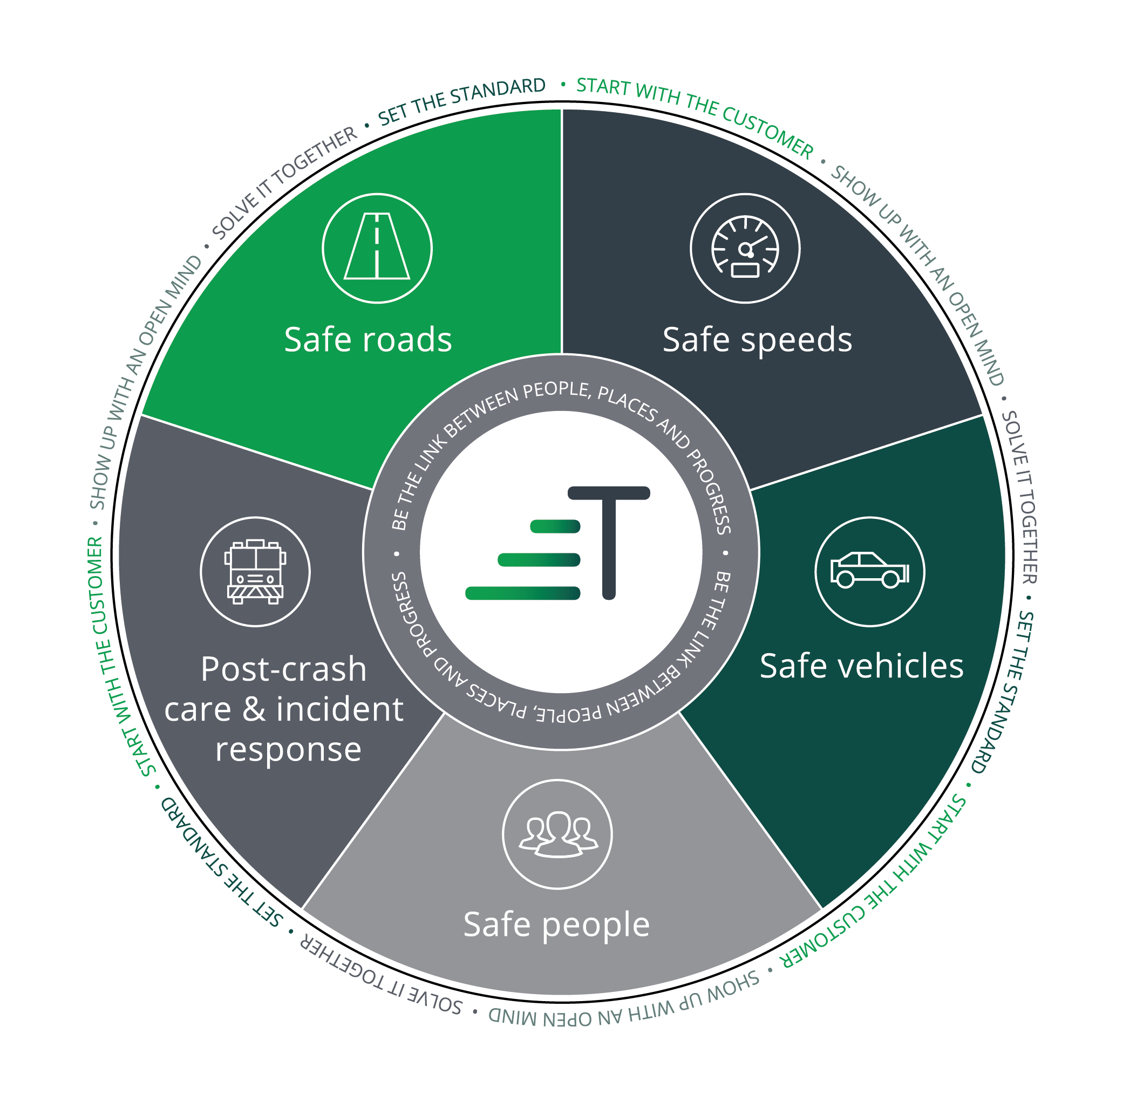
 | This diagram shows how our integrated road safety approach is guiding us in achieving our ultimate vision of zero fatalities and life-changing injuries on our roads.
 | We’ve set ourselves an ultimate goal of zero deaths and life-changing injuries on our roads and, recognising that everyone has a role to play in road safety, we’re always looking for opportunities to improve safety on our roads and beyond. We track our road safety performance using a Road Injury Crash Index (RICI): the number of serious injury crashes per 100 million vehicle kilometres travelled (VKT) on our roads, as well as through an enterprise Road Safety Action Plan, covering all assets across the Group. The Plan responds to both enterprise-wide and locally identified road safety issues. The International Road Assessment Program (iRAP) has assessed Transurban’s network with Australia achieving 92% and USA 63% at four star or better. Transurban commissions the Monash University Accident Research Centre (MUARC) to analyse crashes on our Australian roads to determine their comparable safety. MUARC's 2025 analysis of data from FY17 to FY24 found that, compared to like roads in each state (that is, freeways or motorways), our roads are on average at least twice as safe. During FY25 we also published an insights report into Road Safety. Transurban’s Insights Reports use data and research from our business, as well as surveys we commission, to explore issues relevant to road transport. We share these insights with government and industry and use them to inform road-user and community education campaigns. In this Transurban Insights report, we examined some common driving experiences and behaviours. We also look at people’s driving decisions and their awareness of critical road safety factors when travelling on Australian roads.
 | Notes: See iRAP news article on their website: https://irap.org/2022/03/transurban-achieves-4-star-demonstrating-international-leadership-in-urban-toll-road-safety/ See Transurban Road Safety insights report: www.transurban.com/content/dam/transurban-pdfs/insights-hub/Transurban-Insights-Road-Safety-Report-November-2024.pdf
 | Support for vulnerable customers Sometimes life doesn’t go to plan. If customers want to pay their tolls but can’t manage payments right now, Transurban's offers specialised services to customers. We have our ongoing Linkt Assist and Linkt Assist 360 (Australia), and First Time Forgiveness (US) programs for customers experiencing financial hardship. In Australia, we also support the One Stop One Story Hub which provides access to hardship support from multiple essential services.
 | Customer experience and satisfaction We have around 11.3 million customers in Australia and North America, and we’re always working to improve our customers’ experiences, both on and off the road. To succeed in this mission, we need to understand what our customers value and need from us. So, we ask them. We do this through our: –Voice of Customer program that checks in with customers and collects feedback at key points in their journeys –online research panel where we test ideas, products and solutions with a diverse range of customers –brand health tracking (Linkt) that helps us understand customer perceptions and attitudes. Customer promises Our customer promise reflects what our customers say they expect from us: Make it easy | Deliver value | Do the right thing. We have a number of ways we track customer sentiment, including surveys, online research panels and brand health tracking. Some of our key metrics are included in the Customer tab, including Net Promoter Score (NPS). NPS is measured through our Voice of Customer program, which checks in with customers and collects feedback at key points in their journeys, including asking them: How likely is it that you would recommend Linkt to a friend or family?
 | Community investment and partnerships
 | Our partnerships are important to us and help to deliver safer roads; stronger communities; and empowered customers. Through our programs we aim to support the communities along the corridors of where we operate and contribute to improved social and economic inclusion . As well as our major partners, NeuRA and Kidsafe, we also partner with multiple driver training programs to remove barriers to licencing. We also run an annual grants process, open to a wide range of organisations and initiatives, with a particular focus on strengthening the community.
 | The Community tab contains our Community Investment Data in Table. It is made up of activities conducted at a macro level in the states we operate in (e.g. road safety research benefits) and at a local community level (e.g. local community grants). Community investment and volunteering hours are captured for all Transurban assets irrespective of Transurban’s ownership share or operational control determination. Our total community investment amount is made up of a number of activities including:
 | •Community grants, which are awarded annually to community organisations in Local Government Areas in which our assets occur, and with DGR status. DGR status, as defined by the Australian Taxation Office (ATO) and the Australian Charities and Not-for-profits Commission (ACNC), refers to a type of Deductible Gift Recipient (DGR) endorsement that allows certain not-for-profit organisations to receive tax-deductible donations. •Partnerships with community organisations (not necessarily with DGR status) or educators to deliver a social benefit, such as our driver training partnerships with KARI and ARTIE and our partnership with Thriving Communities Australia to deliver easier access to hardship support through the One Stop One Story Hub. •Sponsorships which are defined as programs where Transurban will provide funding or access to our assets for a charitable or educational purpose (road safety or STEM education only) whilst also promoting our brand and community presence. These organisations are not necessarily with DGR status. •Foregone revenue during road closures for events held on Transurban roads is estimated using similar date range historical revenue data and also forms part of the community investment amount. •One way donations to charitable organisations (defined as DGR recipients as per the ACNC website/ register) are also included in the amount with examples including money provided to the Royal Children’s Hospital Good Friday Appeal, and our donation to Legacy which is linked to trips on Legacy Way and is a requirement of our Concession arrangement in Queensland (no other concession agreements have this requirement). •In-kind amounts are also included in community investment. These are typically costs associated with advertising and promotional activities to support initiatives such as child seat fitting sessions. This is based on invoices paid amount. •Management costs are those costs associated with delivering community investment activ
 | Transurban employees are eligible to take one day per year of paid volunteering leave. Employees can use their volunteering leave to work with a registered ACNC organisation approved by their people leader. The value of this time is not calculated nor included in the total community investment amount.
 | Sustainable supply chain
 | All suppliers are subject to relevant Transurban policies, including our Supplier Sustainability Code of Practice (SSCoP), which outlines our minimum requirements and leadership expectations. It encourages suppliers to go beyond legal compliance to advance social, environmental and economic outcomes in the communities we operate in. Our Enterprise Supplier Onboarding process triggers a risk-based Self Assessment Questionnaire regardless of spend to assess supplier policies, controls, relevant qualifications and certifications, which may include environmental and social requirements to screen high risk goods and services. Suppliers responding to tenders, managed by our sourcing team, are required to complete ‘returnable schedules’ which include questions regarding their environmental, social and governance performance in mitigating and accounting for any adverse impacts, as well as outlining opportunities for positive contributions. Suppliers are assessed for known risks through digital risk platforms, desktop assessments and compliance checks. Where required, suppliers must demonstrate relevant certifications to show evidence of their capabilities to effectively manage potential risks (eg. EMS certifications). Ongoing supplier assessments are completed to monitor capabilities and any changes in supplier risks.
 | Grievances and feedback Stakeholders can get in touch with us via email, phone and our website, with dedicated channels also set up for project-specific queries. We support capacity building with our local stakeholders by running community liaison groups and forums where information and resources are shared and discussed to support better understanding and ways to engage and influence decisions. Information about and minutes of meetings are available on project websites, for example WestConnex Air Quality Community Consultative Committees and West Gate Tunnel community liaison group. Our community liaison groups also provide evidence of one way we engage with local stakeholders to identify emerging concerns. We also run information sessions which are published in local newspapers or communicated through local letter drops to residents, for example as advertised in the M7-M12 Integration Project community update. Following the announcement of Transurban's proposed Logan West Upgrade Project in Brisbane, an initial nine week stakeholder consultation program was held commencing in September 2024, seeking feedback from the community and road users on the current design of the Logan Motorway and the proposed upgrade project. Feedback received will be used to help shape the project's design and delivery. We encourage our employees and stakeholders to speak to and provide both internal and external channels for our employees, contractors and supply chain personnel to raise concerns on issues including potential or actual instances of modern slavery and adverse human rights impacts, as well as fraud, conflicts of interest, bribery and corruption. A global confidential, anonymous external toll free and online whistleblower reporting service is also available and detailed on Transurban’s intranet and corporate website and is available to employees and third parties.

 | 1 Community Engagement Framework can be accessed via our website: https://www.transurban.com/content/dam/transurban-pdfs/01/Group_Stakeholder_Engagement_Framework_External.pdf

